BR 01001
University | Ecole Centrale de Lyon |  |  |  |  | Back to BOM |  |  | Car # | 81 |  | Part Cost | $3.39
System | Brake System |  | FileLink1 |  |  |  |  |  |  |  |  | Qty | 1
Assembly | Front Brake Rotor |  | FileLink2 |  |  |  |  |  | FileLink1
Part | Brake Rotor |  | FileLink3 |  |  |  |  |  | FileLink2 |  |  | Extended Cost | $3.39
P/N Base | BR 01001 |  |  |  |  |  |  |  | FileLink3
Suffix | AA
Details | Bought, cost as made

ItemOrder | Material | Use | UnitCost | Size1 | Unit1 | Size2 | Unit2 | Area Name | Area | Length | Density | Quantity | Sub Total
10 | Cast Iron (per kg) | Stock material for part | $1.00 | 1.467 | kg |  |  | Circle area, 230mm diameter | 0.042 | 0.005 | 7,850 | 1.00 | $1.47
 |  |  |  |  |  |  |  |  |  |  |  | Sub Total | $1.47
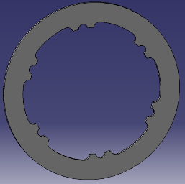
ItemOrder | Process | Use | UnitCost | Unit | Quantity | Multiplier | Mult. Val. | Sub Total
10 | Machining Setup, Install and remove | Setup for laser cut | $1.30 | unit | 1 | 4 parts cut from a single machine setup | 0.25 | $0.33
20 | Laser Cut | Cutout shape | $0.01 | cm | 63.95 | Material - Cast Iron | 2.5 | $1.60
 |  |  |  |  |  |  | Sub Total | $1.92

BR 01002
University | Ecole Centrale de Lyon |  |  |  |  | Back to BOM |  |  | Car # | 81 |  | Part Cost | $6.02
System | Brake System |  | FileLink1 | Drawing |  |  |  |  |  |  |  | Qty | 1
Assembly | Front Brake Rotor |  | FileLink2 |  |  |  |  |  | FileLink1
Part | Brake Shrink Disc |  | FileLink3 |  |  |  |  |  | FileLink2 |  |  | Extended Cost | $6.02
P/N Base | BR 01002 |  |  |  |  |  |  |  | FileLink3
Suffix | AA
Details | Allows brake rotor to be mounted floating

ItemOrder | Material | Use | UnitCost | Size1 | Unit1 | Size2 | Unit2 | Area Name | Area | Length | Density | Quantity | Sub Total
10 | Steel, Mild (per kg) | Stock material for part | $2.25 | 0.839 | kg |  |  | Circle Area, 164.95mm diameter | 2.137E-02 | 0.005 | 7,850 | 1.00 | $1.89
 |  |  |  |  |  |  |  |  |  |  |  | Sub Total | $1.89
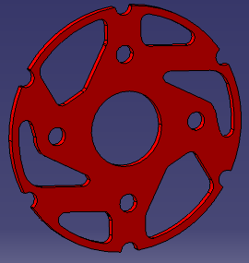
ItemOrder | Process | Use | UnitCost | Unit | Quantity | Multiplier | Mult. Val. | Sub Total
10 | Machining Setup, Install and remove | Setup for laser cutting | $1.30 | unit | 1 | 4 parts cut from a single machine setup | 0.25 | $0.33
20 | Laser Cut | Cutout shape | $0.01 | cm | 126.9 | Material - Steel | 3 | $3.81
 |  |  |  |  |  |  | Sub Total | $4.13

dBR 01002
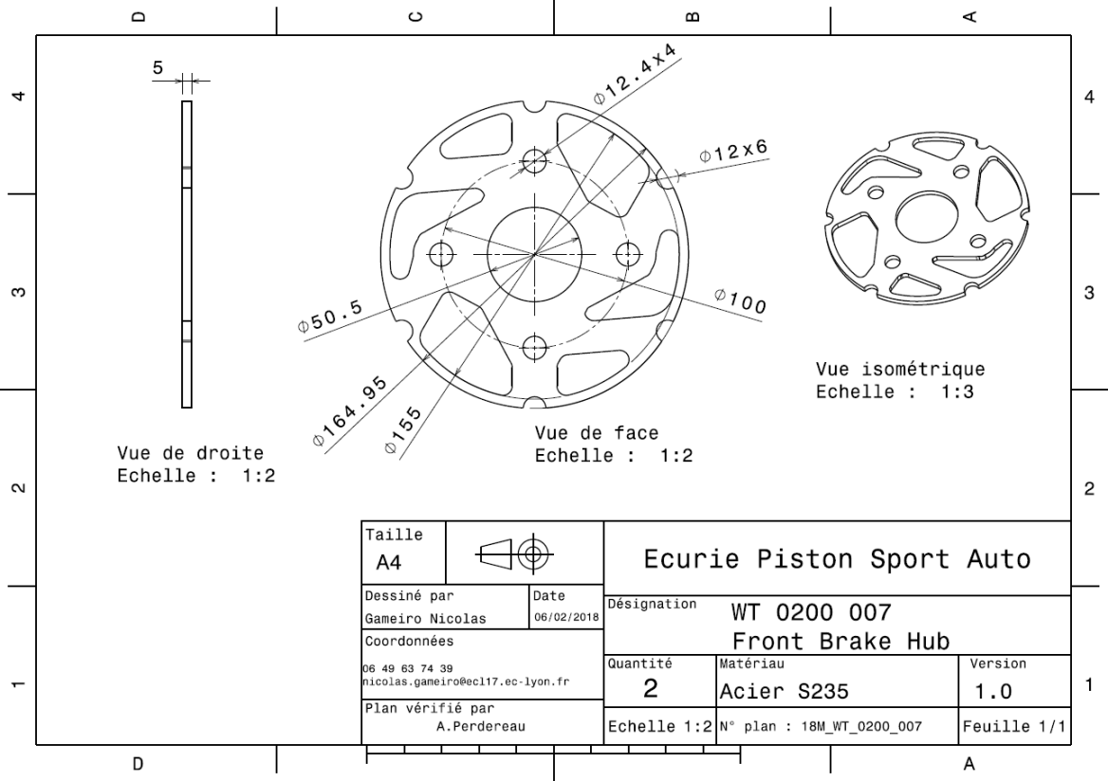
Drawing part : | BR 01002

BR 01003
University | Ecole Centrale de Lyon |  |  |  |  | Back to BOM |  |  | Car # | 81 |  | Part Cost | $1.51
System | Brake System |  | FileLink1 |  |  |  |  |  |  |  |  | Qty | 6
Assembly | Front Brake Rotor |  | FileLink2 |  |  |  |  |  | FileLink1
Part | Brake Bobbin |  | FileLink3 |  |  |  |  |  | FileLink2 |  |  | Extended Cost | $9.09
P/N Base | BR 01003 |  |  |  |  |  |  |  | FileLink3
Suffix | AA
Details | Bobbins between Brake Rotor and Brake Shrink Disc

ItemOrder | Material | Use | UnitCost | Size1 | Unit1 | Size2 | Unit2 | Area Name | Area | Length | Density | Quantity | Sub Total
10 | Steel, Mild (per kg) | Material for Bobbin | $2.25 | 0.016 | kg |  |  | Circle Area, 17mm diameter | 2.270E-04 | 0.009 | 7,850 | 1.00 | $0.04
 |  |  |  |  |  |  |  |  |  |  |  | Sub Total | $0.04
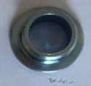
ItemOrder | Process | Use | UnitCost | Unit | Quantity | Multiplier | Mult. Val. | Sub Total
10 | Machining Setup, Install and remove | Setup for machining | $1.30 | unit | 1 |  |  | $1.30
20 | Machining |  | $0.04 | cm^3 | 1.486 | Material - Steel | 3 | $0.18
 |  |  |  |  |  |  | Sub Total | $1.48

BR 01004
University | Ecole Centrale de Lyon |  |  |  |  | Back to BOM |  |  | Car # | 81 |  | Part Cost | $0.28
System | Brake System |  | FileLink1 | Drawing |  |  |  |  |  |  |  | Qty | 2
Assembly | Front Brake Rotor |  | FileLink2 |  |  |  |  |  | FileLink1
Part | Brake Caliper Spacer |  | FileLink3 |  |  |  |  |  | FileLink2 |  |  | Extended Cost | $0.56
P/N Base | BR 01004 |  |  |  |  |  |  |  | FileLink3
Suffix | AA
Details | Spacer between Caliper and Upright

ItemOrder | Material | Use | UnitCost | Size1 | Unit1 | Size2 | Unit2 | Area Name | Area | Length | Density | Quantity | Sub Total
10 | Steel, Mild (per kg) | Stock material for caliper spacer | $2.25 | 0.0178 | kg |  |  | Circular, 17mm diameter | 2.270E-04 | 0.010 | 7,850 | 1.00 | $0.04
 |  |  |  |  |  |  |  |  |  |  |  | Sub Total | $0.04

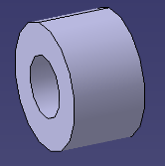
ItemOrder | Process | Use | UnitCost | Unit | Quantity | Multiplier | Mult. Val. | Sub Total
10 | Machining Setup, Install and remove | Setup for laser cut | $1.30 | unit | 1 | 8 parts cut from a single machine setup | 0.125 | $0.16
20 | Laser Cut | Cutout shape | $0.01 | cm | 2.639 | Material - Steel | 3 | $0.08
 |  |  |  |  |  |  | Sub Total | $0.24

dBR 01004
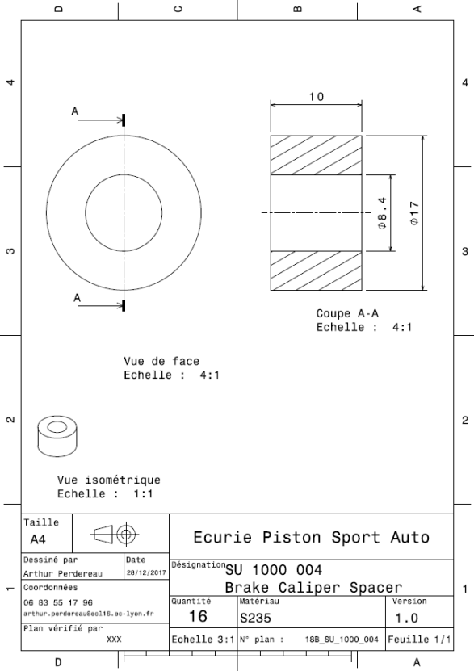
Drawing part : | BR 01004

BR 02002
University | Ecole Centrale de Lyon |  |  |  |  | Back to BOM |  |  | Car # | 81 |  | Part Cost | $6.15
System | Brake System |  | FileLink1 | Drawing |  |  |  |  |  |  |  | Qty | 1
Assembly | Rear Brake Rotor |  | FileLink2 |  |  |  |  |  | FileLink1
Part | Brake Shrink Disc |  | FileLink3 |  |  |  |  |  | FileLink2 |  |  | Extended Cost | $6.15
P/N Base | BR 02002 |  |  |  |  |  |  |  | FileLink3
Suffix | AA
Details | Allows brake rotor to be mounted floating

ItemOrder | Material | Use | UnitCost | Size1 | Unit1 | Size2 | Unit2 | Area Name | Area | Length | Density | Quantity | Sub Total
10 | Steel, Mild (per kg) | Stock material for part | $2.25 | 0.839 | kg |  |  | Circle Area, 164.95mm diameter | 2.137E-02 | 0.005 | 7,850 | 1.00 | $1.89
 |  |  |  |  |  |  |  |  |  |  |  | Sub Total | $1.89
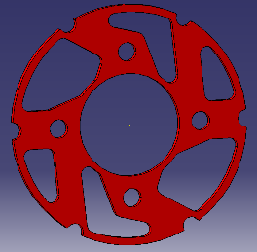
ItemOrder | Process | Use | UnitCost | Unit | Quantity | Multiplier | Mult. Val. | Sub Total
10 | Machining Setup, Install and remove | Setup for laser cutting | $1.30 | unit | 1 | 4 parts cut from a single machine setup | 0.25 | $0.33
20 | Laser Cut | Cutout shape | $0.01 | cm | 131.4 | Material - Steel | 3 | $3.94
 |  |  |  |  |  |  | Sub Total | $4.27

dBR 02002
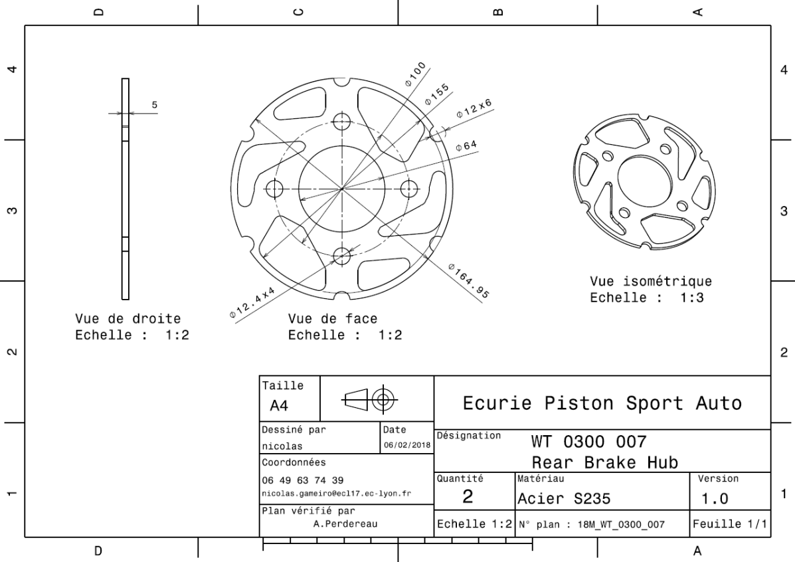
Drawing part : | BR 02002

BR 02004
University | Ecole Centrale de Lyon |  |  |  |  | Back to BOM |  |  | Car # | 81 |  | Part Cost | $0.28
System | Brake System |  | FileLink1 | Drawing |  |  |  |  |  |  |  | Qty | 2
Assembly | Rear Brake Rotor |  | FileLink2 |  |  |  |  |  | FileLink1
Part | Brake Caliper Spacer |  | FileLink3 |  |  |  |  |  | FileLink2 |  |  | Extended Cost | $0.56
P/N Base | BR 02004 |  |  |  |  |  |  |  | FileLink3
Suffix | AA
Details | Spacer between Caliper and Upright

ItemOrder | Material | Use | UnitCost | Size1 | Unit1 | Size2 | Unit2 | Area Name | Area | Length | Density | Quantity | Sub Total
10 | Steel, Mild (per kg) | Stock material for caliper spacer | $2.25 | 0.0178 | kg |  |  | Circular, 17mm diameter | 2.270E-04 | 0.010 | 7,850 | 1.00 | $0.04
 |  |  |  |  |  |  |  |  |  |  |  | Sub Total | $0.04


ItemOrder | Process | Use | UnitCost | Unit | Quantity | Multiplier | Mult. Val. | Sub Total
10 | Machining Setup, Install and remove | Setup for laser cut | $1.30 | unit | 1 | 8 parts cut from a single machine setup | 0.125 | $0.16
20 | Laser Cut | Cutout shape | $0.01 | cm | 2.639 | Material - Steel | 3 | $0.08
 |  |  |  |  |  |  | Sub Total | $0.24

dBR 02004

Drawing part : | BR 02004

BR 03001
University | Ecole Centrale de Lyon |  |  |  |  | Back to BOM |  |  | Car # | 81 |  | Part Cost | $1.07
System | Brake System |  | FileLink1 | Drawing |  |  |  |  |  |  |  | Qty | 1
Assembly | Brake Circuit Assembly |  | FileLink2 |  |  |  |  |  | FileLink1
Part | Hydraulic Fluid Reservoir Mount |  | FileLink3 |  |  |  |  |  | FileLink2 |  |  | Extended Cost | $1.07
P/N Base | BR 03001 |  |  |  |  |  |  |  | FileLink3
Suffix | AA
Details

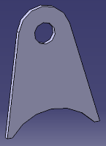
ItemOrder | Material | Use | UnitCost | Size1 | Unit1 | Size2 | Unit2 | Area Name | Area | Length | Density | Quantity | Sub Total
10 | Steel, Mild |  | $2.25 | 0.014 | kg |  |  | Rectangular area, 40x30mm | 0.001 | 1.50E-03 | 7,850 | 1.00 | $0.03
 |  |  |  |  |  |  |  |  |  |  |  | Sub Total | $0.03

ItemOrder | Process | Use | UnitCost | Unit | Quantity | Multiplier | Mult. Val. | Sub Total
10 | Machining Setup, Install and remove | Setup for laser cut | $1.30 | unit | 1 | 2 parts made from a single machine setup | 0.5 | $0.65
20 | Laser Cut |  | $0.01 | cm | 12.795 | Material - Steel | 3 | $0.38
 |  |  |  |  |  |  | Sub Total | $1.03

dBR 03001
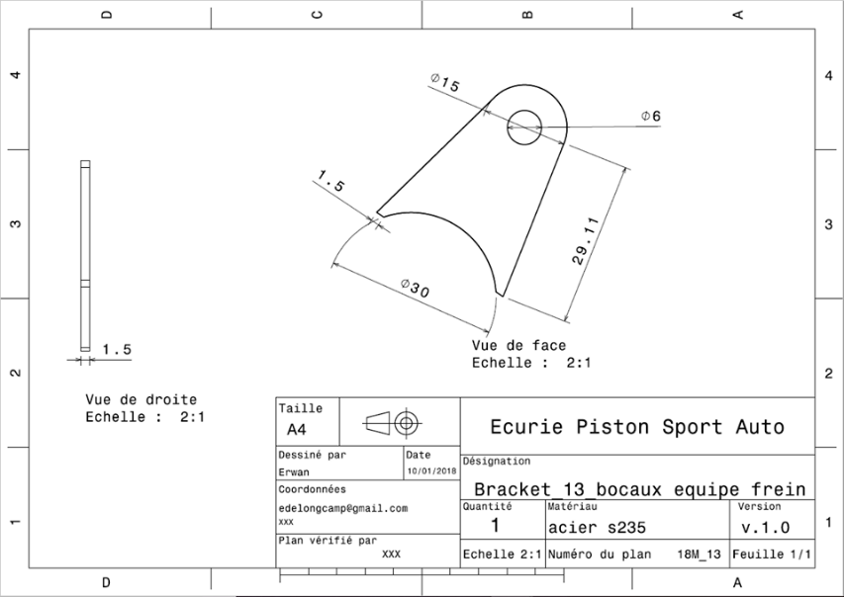
Drawing part : | BR 03001

BR 03002
University | Ecole Centrale de Lyon |  |  |  |  | Back to BOM |  |  | Car # | 81 |  | Part Cost | $1.01
System | Brake System |  | FileLink1 | Drawing |  |  |  |  |  |  |  | Qty | 1
Assembly | Brake Circuit Assembly |  | FileLink2 |  |  |  |  |  | FileLink1
Part | Distribution Tee Mount |  | FileLink3 |  |  |  |  |  | FileLink2 |  |  | Extended Cost | $1.01
P/N Base | BR 03002 |  |  |  |  |  |  |  | FileLink3
Suffix | AA
Details

ItemOrder | Material | Use | UnitCost | Size1 | Unit1 | Size2 | Unit2 | Area Name | Area | Length | Density | Quantity | Sub Total
10 | Steel, Mild |  | $2.25 | 0.012 | kg |  |  | Rectangular area, 40x25mm | 0.001 | 1.50E-03 | 7,850 | 1.00 | $0.03
 |  |  |  |  |  |  |  |  |  |  |  | Sub Total | $0.03
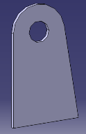
ItemOrder | Process | Use | UnitCost | Unit | Quantity | Multiplier | Mult. Val. | Sub Total
10 | Machining Setup, Install and remove | Setup for laser cut | $1.30 | unit | 1 | 2 parts made from a single machine setup | 0.5 | $0.65
20 | Laser Cut |  | $0.01 | cm | 11.047 | Material - Steel | 3 | $0.33
 |  |  |  |  |  |  | Sub Total | $0.98

dBR 03002
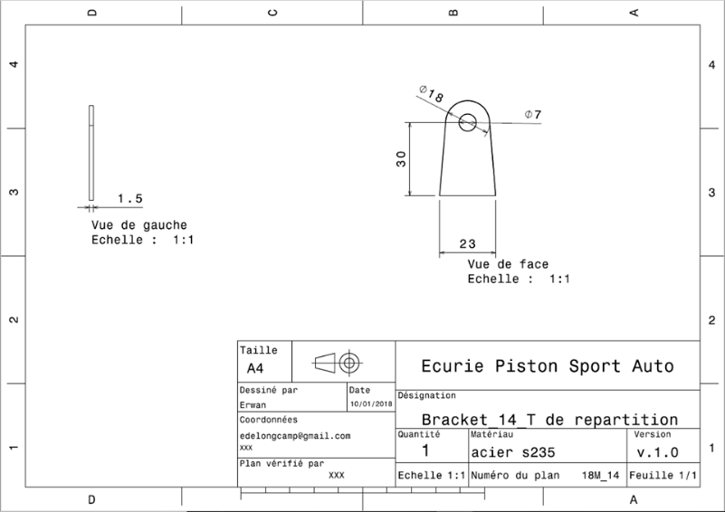
Drawing part : | BR 03002

BR 03003
University | Ecole Centrale de Lyon |  |  |  |  | Back to BOM |  |  | Car # | 81 |  | Part Cost | $0.73
System | Brake System |  | FileLink1 | Drawing |  |  |  |  |  |  |  | Qty | 2
Assembly | Brake Circuit Assembly |  | FileLink2 |  |  |  |  |  | FileLink1
Part | Internal Spacer |  | FileLink3 |  |  |  |  |  | FileLink2 |  |  | Extended Cost | $1.45
P/N Base | BR 03003 |  |  |  |  |  |  |  | FileLink3
Suffix | AA
Details | Internal Spacer next to the Master Cylinders

ItemOrder | Material | Use | UnitCost | Size1 | Unit1 | Size2 | Unit2 | Area Name | Area | Length | Density | Quantity | Sub Total
10 | Steel, Alloy |  | $2.25 | 0.010 | kg |  |  |  | 9.50E-05 | 0.014 | 7,850 | 1.00 | $0.02
 |  |  |  |  |  |  |  |  |  |  |  | Sub Total | $0.02

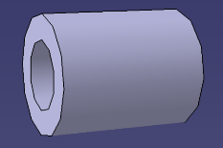
ItemOrder | Process | Use | UnitCost | Unit | Quantity | Multiplier | Mult. Val. | Sub Total
10 | Machining Setup, Install and remove |  | $1.30 | unit | 1 | 2 parts cut from a single machine setup | 0.5 | $0.65
20 | Machining |  | $0.04 | cm^3 | 0.432 | Material - Steel | 3 | $0.05
 |  |  |  |  |  |  | Sub Total | $0.70

dBR 03003
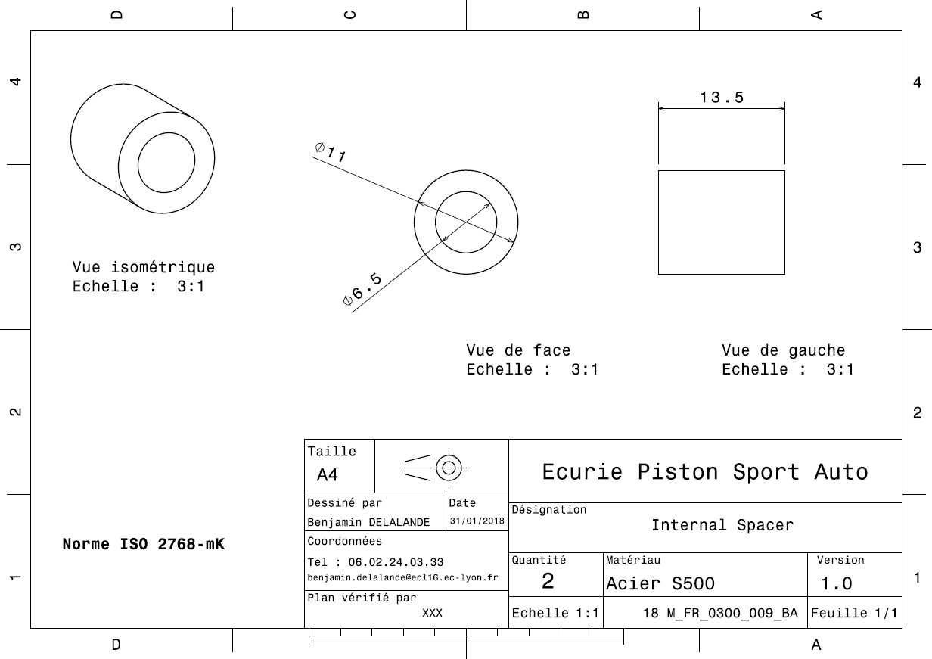
Drawing Part : | BR 03003

BR 03004
University | Ecole Centrale de Lyon |  |  |  |  | Back to BOM |  |  | Car # | 81 |  | Part Cost | $0.67
System | Brake System |  | FileLink1 | Drawing |  |  |  |  |  |  |  | Qty | 2
Assembly | Brake Circuit Assembly |  | FileLink2 |  |  |  |  |  | FileLink1
Part | External Spacer |  | FileLink3 |  |  |  |  |  | FileLink2 |  |  | Extended Cost | $1.33
P/N Base | BR 03004 |  |  |  |  |  |  |  | FileLink3
Suffix | AA
Details | External Spacer next to the Master Cylinders

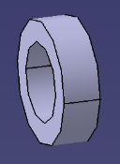
ItemOrder | Material | Use | UnitCost | Size1 | Unit1 | Size2 | Unit2 | Area Name | Area | Length | Density | Quantity | Sub Total
10 | Steel, Alloy |  | $2.25 | 2.24E-03 | kg |  |  |  | 9.50E-05 | 0.003 | 7,850 | 1.00 | $0.01
 |  |  |  |  |  |  |  |  |  |  |  | Sub Total | $0.01

ItemOrder | Process | Use | UnitCost | Unit | Quantity | Multiplier | Mult. Val. | Sub Total
10 | Machining Setup, Install and remove |  | $1.30 | unit | 1 | 2 parts cut from a single machine setup | 0.5 | $0.65
20 | Machining |  | $0.04 | cm^3 | 0.097 | Material - Steel | 3 | $0.01
 |  |  |  |  |  |  | Sub Total | $0.66

dBR 03004
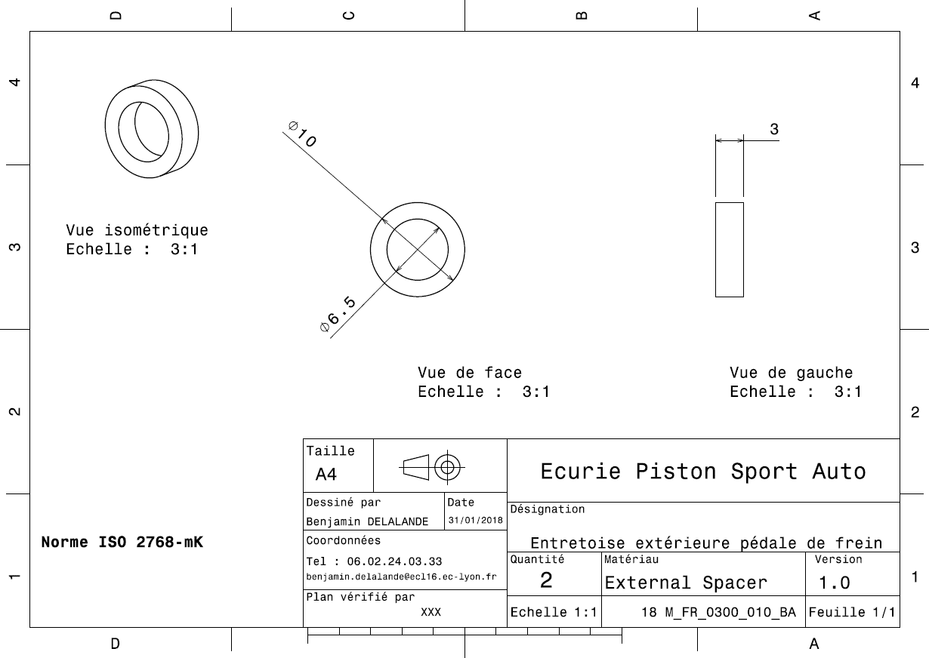
Drawing Part : | BR 03004

